Read me
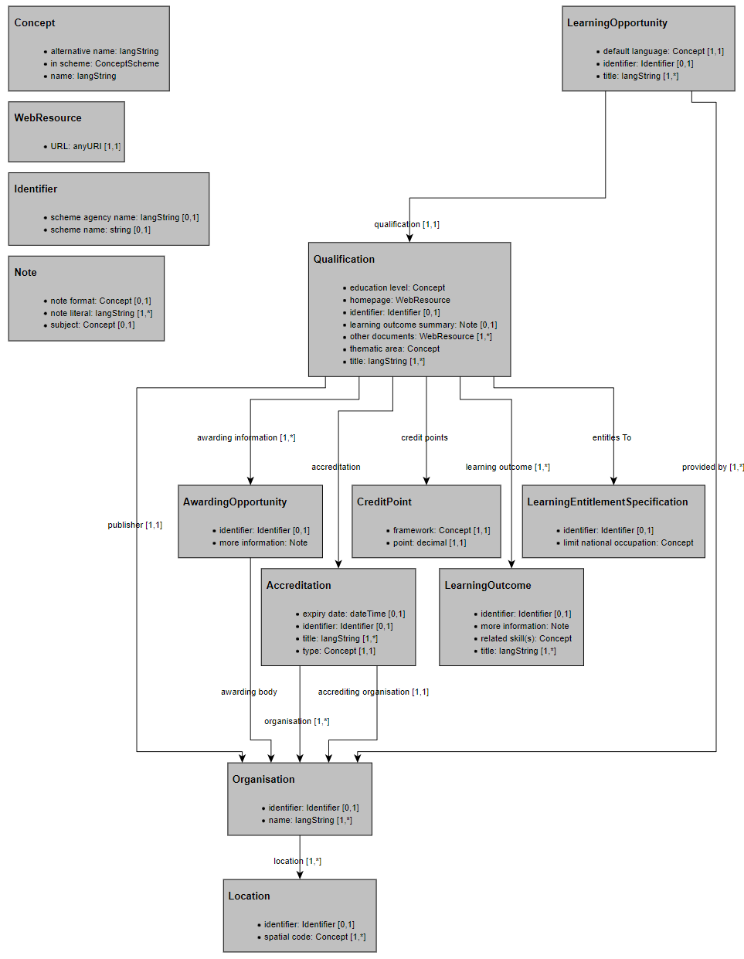
General notes to using the file:
 |  | Links to websources
Indicative notes on the mapping process: How to use the file? As a first step, we suggest that you review the ACQF Data Model in order to better understand the categories and the structure used for classification. The link to the model is accesible in the second column of this sheet. |  | ACQF Architecture Report
Second step: after you have reviewed the Data Model, you may start looking at what data in your database/qualifications would correspond to the data fields in the QCP.
Third step: add the piece of information to the respective column and take notes, for example, in case you have any questions to us or if the data differs in some respect to how it was defined so far.
Other useful sources: For the UI of the data fields presented in this template please see the QCP Curators' Mock-up Showcase here. This may help you in providing a more intuitive sense on how these fields are structured. |  | Curator UI
For additional information on the ACQF Data Exchange model, you may also visit: |  | https://data.acqf-qcp.africa/
Mandatory fields: Currently, the only mandatory fields for adding a qualification are the Title of the Qualification as well as the title of at least 1 learning outcome. These fields are marked with an asterisk (*). Other fields marked with asterisk are only obligatory if the user aims to give information on the given class of information (e.g. CreditPoint, Accreditations etc.).
Explanation of the cardinality fields:
0..1 | The field can contain no values (null) or just one value.
0..* | The field can contain no values (null), one value or many values.
1..1 | The field must contain exactly one value.
1..* | The field must contain at least one value and can contain many values.

Explanation of properties
The overview of classes and properties is depicted in the following diagram below, which is also accessible and described more in detail in the architecture report.

